To use this file
Nutricia's Duocal® Tools - For North American Healthcare Professionals Our Medical Affairs team developed these tools to help you add non-protein calories to any enteral formula with Duocal®. These tools factor in caloric density, displacement factor and osmolality to save you time and maintain accuracy.

Duocalculator© |  |  | Ù Click here to visit this tab!
This printable, interactive tab works in one of two ways to determine an amount of Duocal to add to an enteral formula. To begin, you'll need to know the caloric density and volume of formula you're starting with.

Method A: |  |  |  | You choose the final calorie goal |  |  |  | Method B: |  |  | You choose a specific concentration goal
 | For a recipe with an exact final calorie goal, such as when you want to add 90 calories to 150 calories of formula to provide a total of 240 calories. |  |  |  |  |  |  |  | For a recipe at an exact concentration, such as when you want to use a 1.0 kcal/mL enteral formula and increase it to a 1.5 kcal/mL formula.

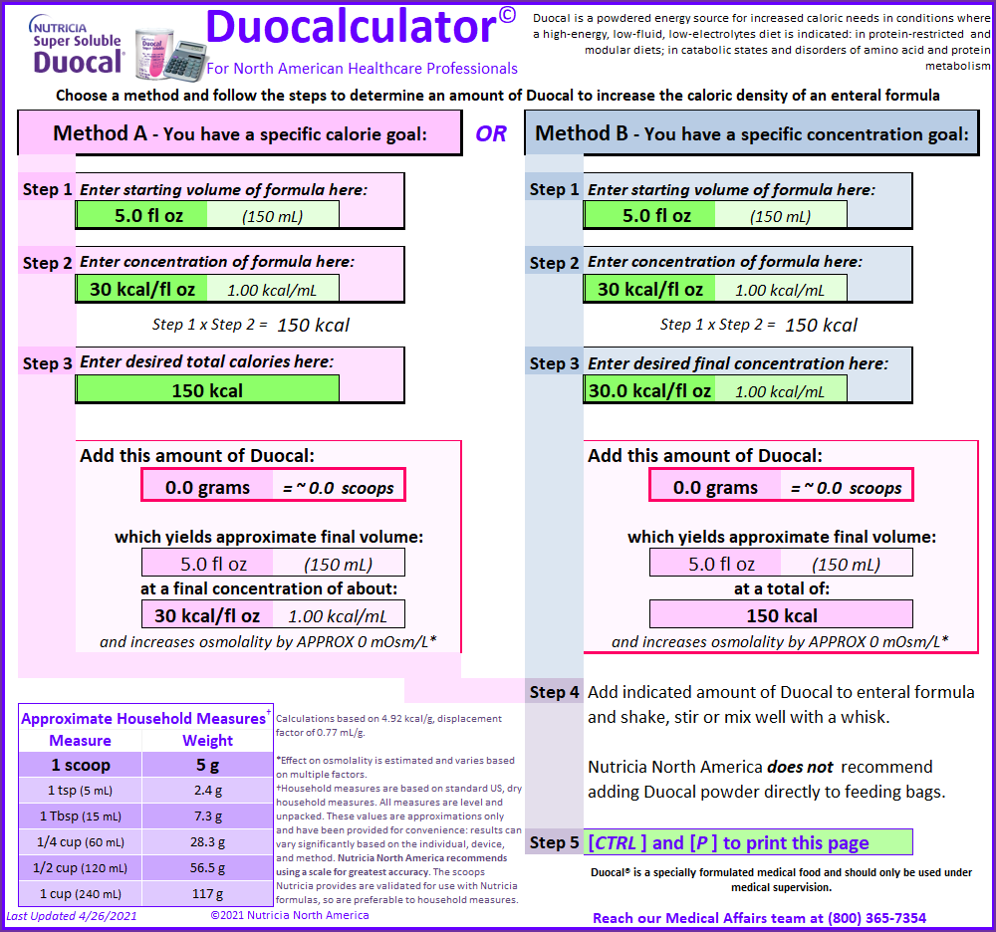
Ex: 150 kcal + Duocal = 240 kcal |  |  |  |  |  |  |  |  | Ex: 30 kcal/oz + Duocal = 45 kcal/oz
 |  | Steps 1-3: Within the appropriate Method, fill in the three bright green cells. The calculations appear below those cells, and change based on the numbers you enter.

 |  | Step 4: The amount of Duocal you need to meet your goal will appear in the bright pink cell, both in grams and scoops. A few other characteristics also appear below that cell, including the final volume and approximate increase in osmolality.

i Click here to visit this tab! i |  |  |  |  |  | i Click here to visit this tab! i |  |  |  | i Click here to visit this tab! i
Duocal + Formula: 20 to 30 |  |  |  |  |  | Duocal + Formula: 30 to 45 |  |  |  | Duocal Household Measures
This printable tab is not interactive. It is a dilution chart that shows how much Duocal to add (in grams) to increase caloric density of enteral formulas, up to 30 kcal/fl oz. |  |  |  |  |  | This printable tab is not interactive. It is a dilution chart that shows how much Duocal to add (in grams) to increase caloric density of enteral formulas, up to 45 kcal/fl oz. |  |  |  | This printable tab is interactive. Use this tool to determine a combination of standard US household measures to provide an approximate number of grams of Duocal when a scale is not available and the provided scoop is not convenient.

 |  |  |  |  |  |  |  |  |  | Enter the number of grams of Duocal powder in the bright green cell.
Duocal® is a specially formulated medical food and should only be used under medical supervision.

You can save a copy of this file, but check Nutricia Learning Center for updated versions of this and the many other tools we offer. As always, please contact our Medical Affairs team with any questions or suggestions:

 |  |  | 8:30-6 ET |  | By phone…………………… |  | (800) 365-7354
 |  |  |  |  | By email……………………. |  | NutritionServices@Nutricia.com Click here to email us!
 |  |  |  |  | Online……….............…….. |  | Neocate.com Click here for ordering information, recipes, and more!

